PHEV Worked Example
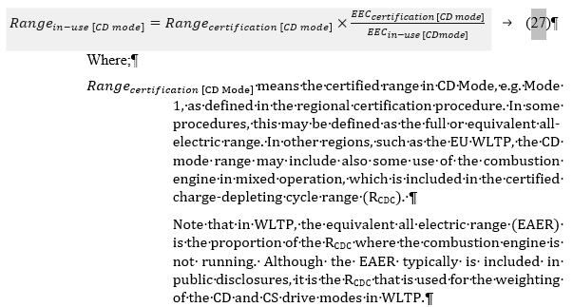
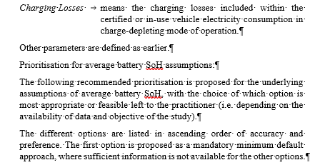
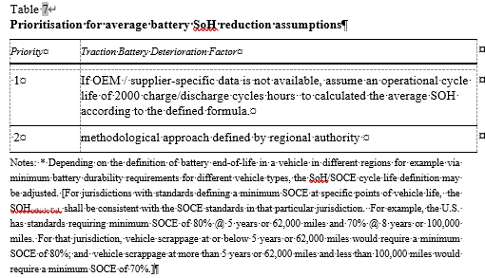
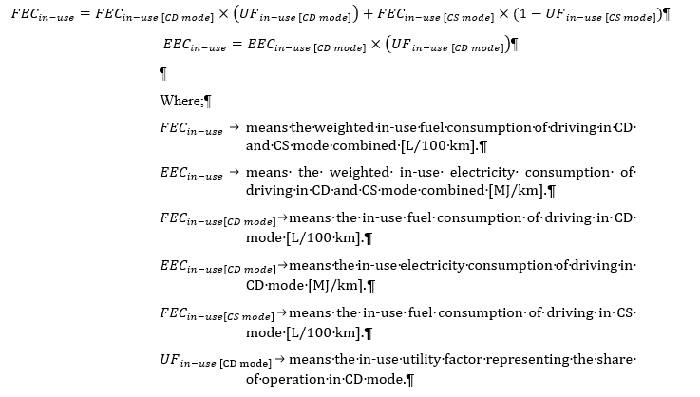
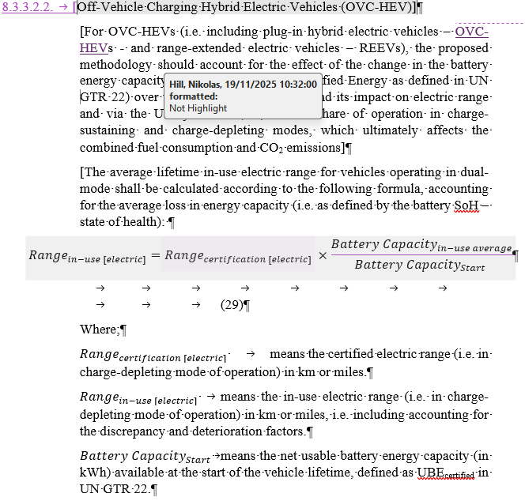
UNECE A-LCA SG4 - PHEV methodology example |  |  |  |  |  |  | Colour key: | Calc1 | User Input |  |  |  | In-use energy consumption (methodology from draft guidance document) | Deterioration in range for OVC-HEV (methodology from draft guidance document)
 |  | Select UF |  |  |  |  |  | Calc2 | Input (drop-down)
 | WLTP Utility Factor Basis | 2025 |  |  |  |  |  | Calc3

Input parameters:

In-use energy consumption (methodology outlined to right)
 | Parameter | Value | Units | Note |  | Illustrative input |  |  | Conversion factors
Mode1 | 〖EEC〗_(Certification [CD mode]) | 0.540 | MJ/km | CD Electricity |  | 150 | Wh/km |  | 3.6 | MJ per kWh
Mode1 | 〖FEC〗_(Certification [CD mode]) | 0.270 | MJ/km | CD Fuel |  | 0.80 | litres/100km |  | 33.7 | MJ/litre (Net CV) | Differences between diesel and petrol explained - ACEA - European Automobile Manufacturers' Association
Mode2 | 〖FEC〗_(Certification [CS mode]) | 1.854 | MJ/km | CS Fuel |  | 5.50 | litres/100km

Mode1 | f(discrepancy, electricity)[CD mode] | 1.25 | Factor | Illustrative input
Mode1 | f(discrepancy, fuel)[CD mode] | 1.20 | Factor | Illustrative input
Mode2 | f(discrepancy, fuel)[CS mode] | 1.20 | Factor | Illustrative input

Mode1 | f(deterioration, electricity)[CD mode] | 1.00 | Factor | Illustrative input (no deterioration assumed by default)
Mode1 | f(deterioration, fuel)[CD mode] | 1.00 | Factor | Illustrative input (no deterioration assumed by default)
Mode2 | f(deterioration, fuel)[CS mode] | 1.00 | Factor | Illustrative input (no deterioration assumed by default)

Mode1 | 〖Range〗_(certification [CD mode]) | 58.0 | km | Illustrative input (range for electric operation plus fuel consumption in CD mode)
Mode1 | 〖UF〗_(certification [CD mode]) | 0.481 | Factor | Calculated according to WLTP

Deterioration in electric range (methodology outlined to right)
 | 〖Range〗_(certification [electric]) | 55.0 | km | All-electric range may be lower than CD range (which can include some fuel consumption)
 | Battery Capacity [start] | 12.0 | kWh | Illustrative input
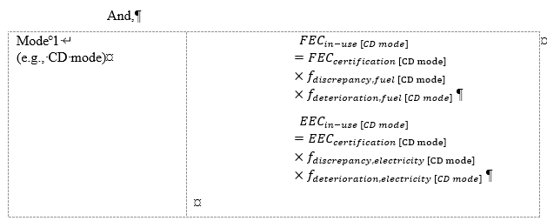
 | SoH [vehicle EoL] | 85% | Factor | Ilustrative - as calculated or defined in CP or OEM methodology/modelling, or standard simplified approach if not available.

 | WLTP Utility Factor Formula: | Number of periods (j) = 1
 |  | dnx (km) | C1 | C2 | C3 | C4 | C5 | C6 | C7 | C8 | C9 | C10
 | pre-2025 | 800 | 26.25 | -38.94 | -631.05 | 5964.83 | -25095 | 60380.2 | -87517 | 75513.8 | -35749 | 7154.94
 | 2025 | 2200 | 26.25 | -38.94 | -631.05 | 5964.83 | -25095 | 60380.2 | -87517 | 75513.8 | -35749 | 7154.94
 | 2027 | 4260 | 26.25 | -38.94 | -631.05 | 5964.83 | -25095 | 60380.2 | -87517 | 75513.8 | -35749 | 7154.94
 | Source:
 | Regulation - 2023/443 - EN - EUR-Lex | ‘ANNEX XXI, Appendix 5: Utility factors (UF) for OVC-HEVs and OVC-FCHVs (as applicable
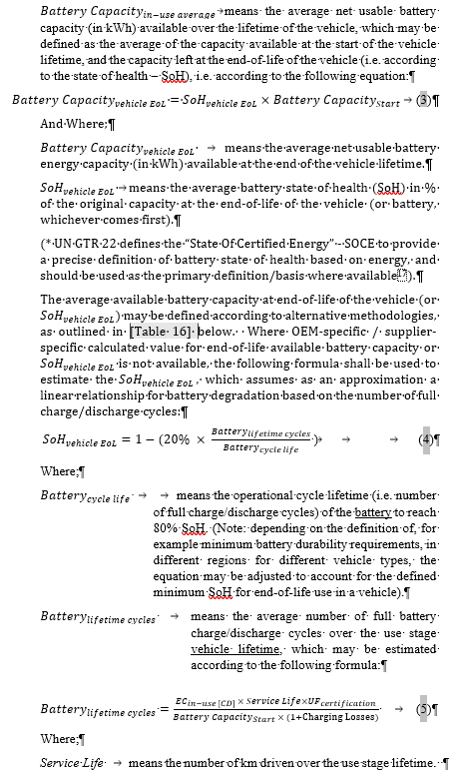
 | Plot of UF vs Range>>> [Click '+' to expand below]

Calculated Output values:

Deterioration in electric range (due to battery SoH reduction only)
 | Battery Capacity [EoL] | 10.2 | kWh
 | Battery Capacity [in-use average] | 11.1 | kWh
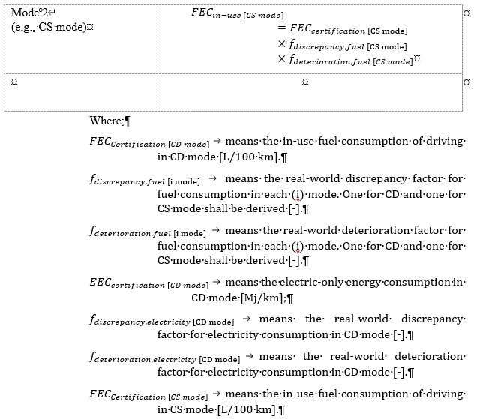
In-use energy consumption (including deterioration in electric range)
 | Parameter | Value |  | Note |  |  |  |  |  | Range detorioration
Mode1 | 〖EEC〗_(in-use [CD mode]) | 0.675 | MJ/km | Calculated according to methodology
Mode1 | 〖FEC〗_(in-use [CD mode]) | 0.324 | MJ/km | Calculated according to methodology
Mode2 | 〖FEC〗_(in-use [CS mode] ) | 2.224 | MJ/km | Calculated according to methodology

Mode1 | 〖Range〗_(in-use [CD mode]) | 42.9 | km | Calculated according to methodology - combines (i) in-use energy consumption (disrepancey+deterioration), (ii) deterioration in range (due to SoH reduction).
Mode1 | 〖UF〗_( in-use [CD mode]) | 0.389 | Factor | Calculated according to WLTP

 | 〖FEC〗_(in-use) | 1.484 | MJ/km | Calculated according to methodology |  | 4.40 | litres/100km | Illustrative calc
 | 〖EEC〗_(in-use) | 0.263 | MJ/km | Calculated according to methodology |  | 73 | Wh/km | Illustrative calc

Additional calculated values:
Illustrative additional calculations

 | Certified values basis
 | 〖FEC〗_(Certification) | 1.092 | MJ/km |  |  | 3.24 | litres/100km
 | 〖EEC〗_(Certification) | 0.260 | MJ/km |  |  | 72 | Wh/km
 | Certified tailpipe CO2 | 74.5 | gCO2/km | Illustrative calc |  | 2300 | gCO2/litre | Illustrative input

 | Real-world (in-use) values
 | RW tailpipe CO2 | 101.3 | gCO2/km | Illustrative calc
 | Fuel emissions (WTW) | 130.6 | gCO2e/km | Illustrative calc | FuelEF | 88.0 | gCO2e/MJ | Illustrative input (for ~20 year operational average)
 | Electricity emissions (WTW) | 11.0 | gCO2e/km | Illustrative calc | ElecEF | 41.7 | gCO2e/MJ |  | 150 | gCO2e/kWh | Illustrative input (for ~20 year operational average)
 | Plus would need to add other tailpipe and leakage emissions according to the wider methodology

WLTP Certification
Amended Regulation for Euro 6e
See: Comitology Register (europa.eu) Comitology Register
Regulation - 2023/443 - EN - EUR-Lex |  |  |  |  | WLTP Utility Factors (UF) for OVC-HEVs and OVC-FCEVs
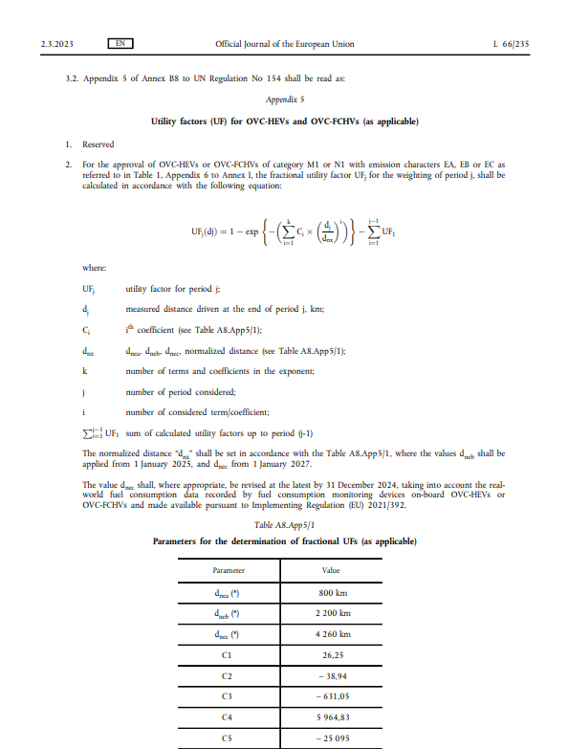
 | Range | WLTP UF Basis |  |  | Range (km)
 |  | pre-2025 | 2025 | 2027 | Utility Factor (UF)
WLTP Utility Factors (UF) for OVC-HEVs and OVC-FCEVs
 | 0 | 0.000 | 0.000 | 0.000
 | 5 | 0.150 | 0.058 | 0.030
 | 10 | 0.275 | 0.112 | 0.060
 | 15 | 0.378 | 0.162 | 0.088
 | 20 | 0.464 | 0.209 | 0.115
 | 25 | 0.536 | 0.254 | 0.142
 | 30 | 0.596 | 0.295 | 0.167
 | 35 | 0.646 | 0.333 | 0.192
 | 40 | 0.689 | 0.369 | 0.215
 | 45 | 0.724 | 0.403 | 0.238
 | 50 | 0.755 | 0.435 | 0.261
 | 55 | 0.780 | 0.464 | 0.282
 | 60 | 0.803 | 0.492 | 0.303
 | 65 | 0.822 | 0.518 | 0.323
 | 70 | 0.838 | 0.542 | 0.342
 | 75 | 0.852 | 0.565 | 0.361
 | 80 | 0.865 | 0.586 | 0.379
 | 85 | 0.876 | 0.606 | 0.396
 | 90 | 0.886 | 0.625 | 0.413
 | 95 | 0.894 | 0.642 | 0.429
 | 100 | 0.902 | 0.659 | 0.445
 | 105 | 0.909 | 0.674 | 0.460
 | 110 | 0.915 | 0.689 | 0.474
 | 115 | 0.921 | 0.702 | 0.489
 | 120 | 0.926 | 0.715 | 0.502
 | 125 | 0.930 | 0.727 | 0.516
 | 130 | 0.935 | 0.739 | 0.528
 | 135 | 0.939 | 0.749 | 0.541
 | 140 | 0.942 | 0.760 | 0.553
 | 145 | 0.945 | 0.769 | 0.564
 | 150 | 0.948 | 0.778 | 0.575
 | 155 | 0.951 | 0.787 | 0.586
 | 160 | 0.954 | 0.795 | 0.597
 | 165 | 0.956 | 0.803 | 0.607
 | 170 | 0.959 | 0.810 | 0.616
 | 175 | 0.961 | 0.817 | 0.626
 | 180 | 0.963 | 0.823 | 0.635
 | 185 | 0.964 | 0.829 | 0.644
 | 190 | 0.966 | 0.835 | 0.652
 | 195 | 0.968 | 0.841 | 0.661
 | 200 | 0.969 | 0.846 | 0.669
 | 205 | 0.971 | 0.851 | 0.677
 | 210 | 0.972 | 0.856 | 0.684
 | 215 | 0.973 | 0.861 | 0.691
 | 220 | 0.974 | 0.865 | 0.699
 | 225 | 0.976 | 0.869 | 0.705
 | 230 | 0.977 | 0.873 | 0.712
 | 235 | 0.978 | 0.877 | 0.718
 | 240 | 0.978 | 0.881 | 0.725
 | 245 | 0.979 | 0.884 | 0.731
 | 250 | 0.980 | 0.887 | 0.737

